Bug report
Bug ID | Test Case ID | Title | Description | Steps to Reproduce | Expected Result | Actual Result | Severity | Priority | Status | Date Reported | Remarks | ScreenShort
BUG001 | TC01 | Missing Star for Mandatory Fields | The mandatory fields in the signup form are not marked with a star. | 1. Open the signup page. 2. Check for mandatory fields. | All mandatory fields should be marked with a star. | No star is shown for mandatory fields. | Major | High | Open | 2024-12-14 | UI issue | 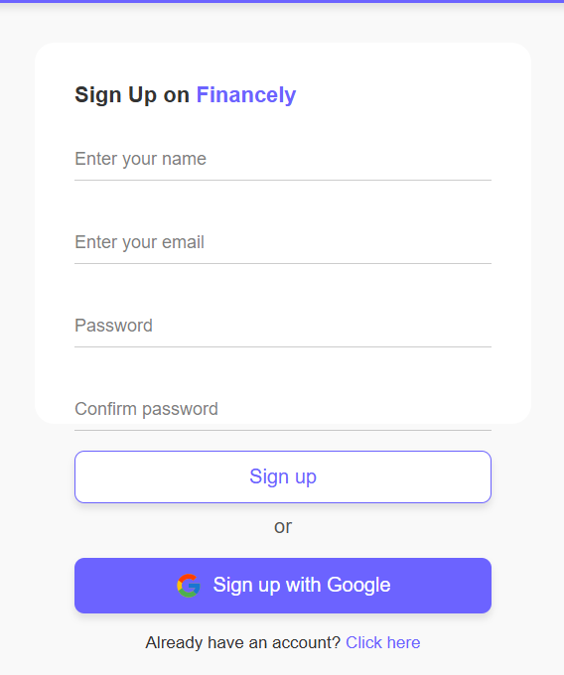
BUG002 | TC02 | Invalid Characters in Name Field | The name field accepts numbers and special characters. | 1. Enter '1234' or '!@#$%' in the name field. 2. Submit the form. | The name field should only accept alphabetic characters. | The form accepts numbers and special characters. | Major | High | Open | 2024-12-14 | 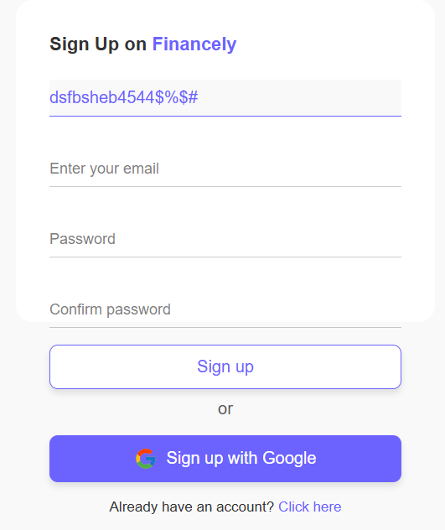 Input validation issue
BUG003 | TC03 | Invalid Email Not Captured | The system does not show an error for invalid email. | 1. Enter 'invalid-email' in the email field. 2. Submit the form. | An error message should be shown for an invalid email. | No error message is displayed. | Critical | High | Open | 2024-12-14 | 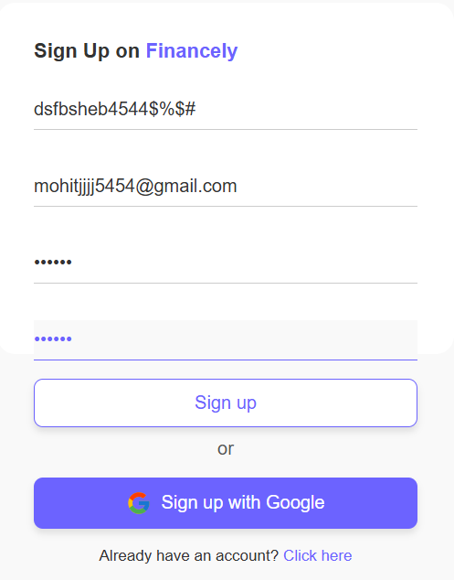 Email validation issue
BUG004 | TC04 | Password Strength Not Suggested | The system does not suggest a stronger password for weak passwords. | 1. Enter '123456' as the password. 2. Check for password strength suggestion. | A suggestion for a stronger password should appear. | No suggestion appears. | Major | Medium | Open | 2024-12-14 | Security enhancement needed | 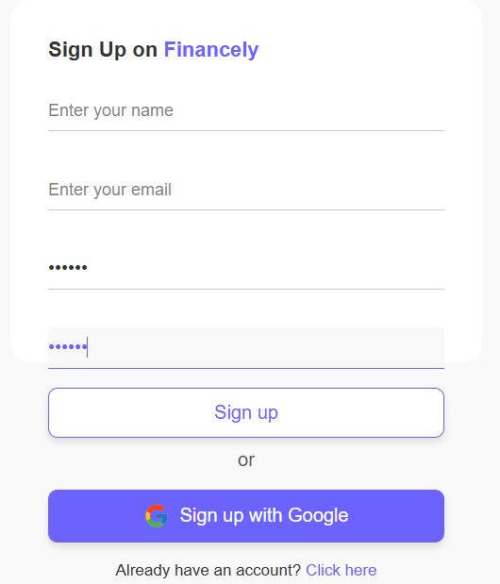
BUG005 | TC05 | Password Mismatch Not Captured | The system allows submission despite mismatched passwords. | 1. Enter 'password1' in the password field. 2. Enter 'password2' in the confirm password field. 3. Submit the form. | An error message should appear for the mismatch. | The form is submitted successfully despite the mismatch. | Major | High | Open | 2024-12-14 | Logic issue | 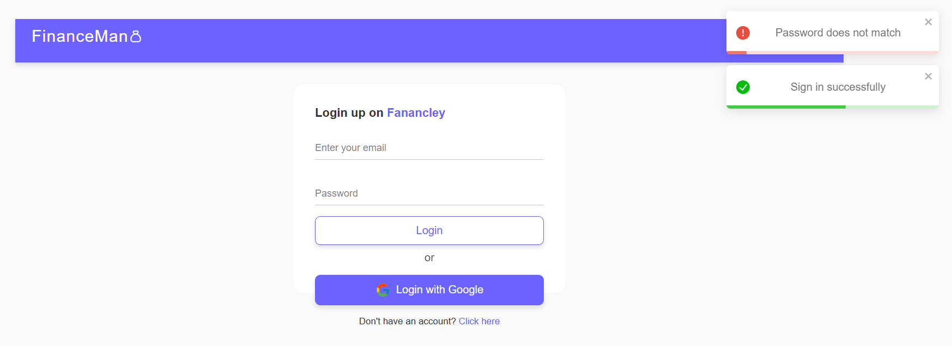
BUG006 | TC06 | Back Button Not Working on Signup | The back button does not function as expected. | 1. Click on the back button on the signup page. | The system should navigate to the previous page. | No back navigation occurs. | Major | High | Open | 2024-12-14 | UI navigation issue
BUG007 | TC07 | Empty Confirm Password Not Validated | The confirm password field can be left empty. | 1. Leave the confirm password field blank. 2. Submit the form. | The form should not submit with an empty confirm password field. | The form submits with an empty confirm password field. | Major | High | Open | 2024-12-14 | Form validation issue | 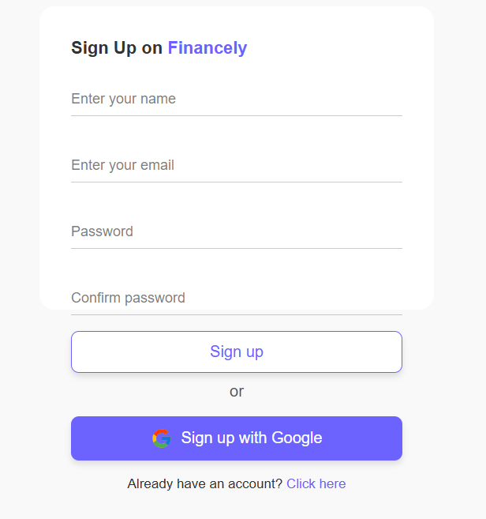
BUG008 | TC08 | Logo as Home Button Not Working | The logo does not navigate to the homepage when clicked. | 1. Click on the logo on the dashboard. | The logo should navigate to the homepage. | The logo does not navigate anywhere. | Minor | Low | Open | 2024-12-14 | UI issue
BUG009 | TC09 | Negative Income Not Accepted | Negative income values are allowed. | 1. Enter '-20' as the income value. 2. Submit the form. | The system should not accept negative income values. | The negative value is accepted. | High | High | Open | 2024-12-14 | Data validation issue | 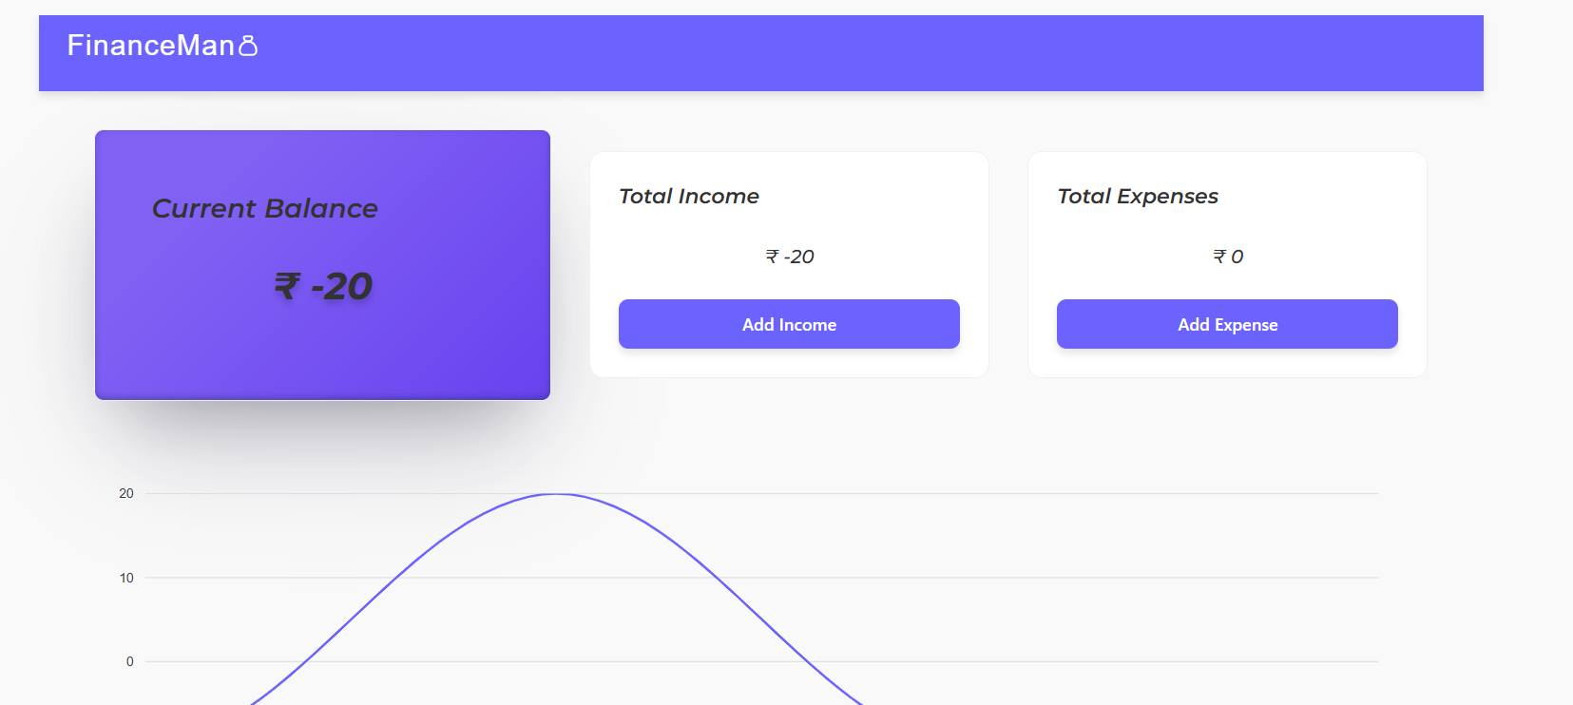
BUG010 | TC15 | Transactions Sorted by Date | Transactions are sorted correctly by date. | 1. Sort the transactions by date. | The transactions should be in chronological order. | Transactions sorted incorrectly. | Low | Medium | Open | 2024-12-14 | Positive behavior | 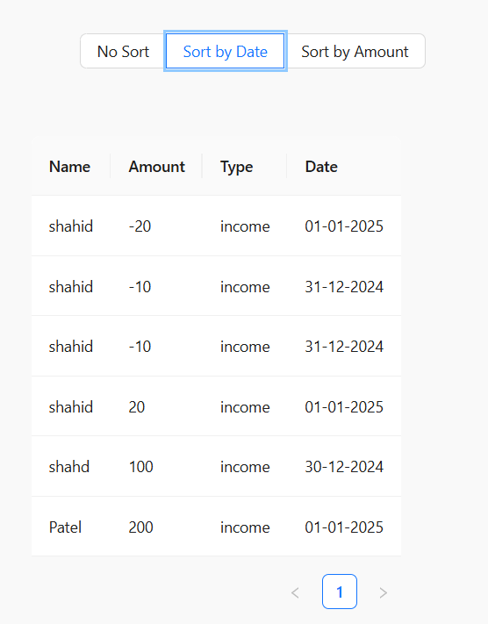
BUG011 | TC19 | Logo Display on Dashboard | The logo should display correctly on the dashboard. | 1. Open the dashboard page. | The logo should be visible. | Logo displayed correctly. | Low | Low | Open | 2024-12-14 | Positive behavior | 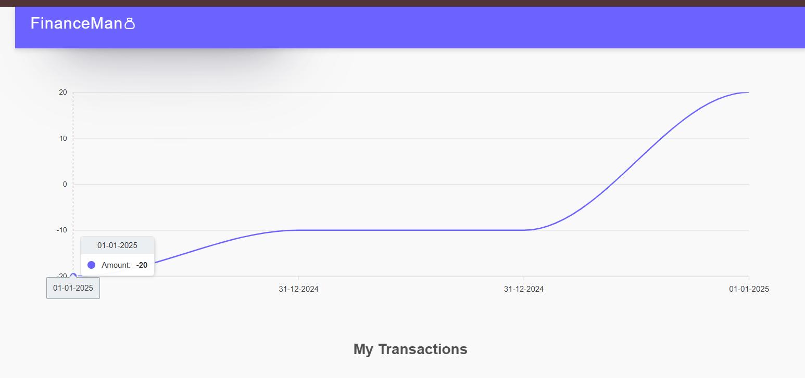
BUG013 | TC21 | CSV Import Error Handling | Data from a valid CSV file should be displayed correctly. | 1. Upload a valid CSV file. | The data should be displayed correctly on the system. | Data displayed correctly. | Low | Medium | Open | 2024-12-14 | Positive behavior | 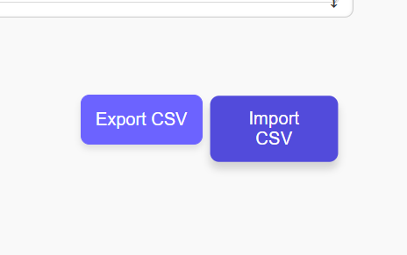
BUG014 | TC22 | Zero Amount Not Accepted for Income | System should not accept zero amount for income. | 1. Enter '0' as the income value. 2. Submit the form. | It should show an error for a zero value. | Error message displayed correctly. | Major | High | Open | 2024-12-14 | Data validation issue | 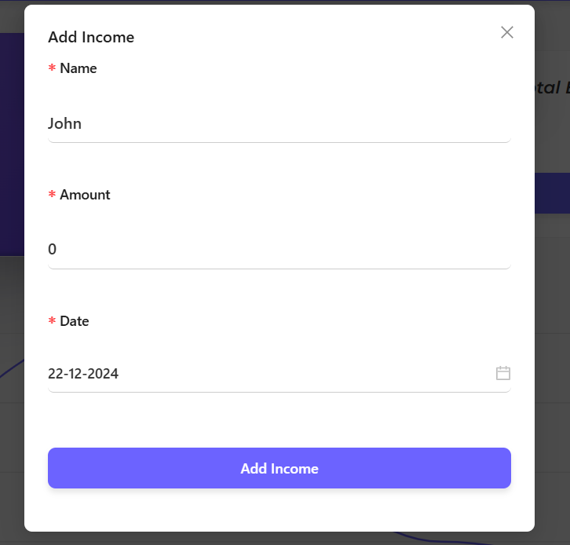
BUG015 | TC23 | Password Visibility Toggle Not Working | The password visibility toggle does not work. | 1. Enter a password in the password field. 2. Click the visibility toggle. | The password should toggle between visible and hidden. | Toggle does not work. | Major | Medium | Open | 2024-12-14 | UI issue
BUG016 | TC | Logout button is missing | In the dashboard there is no logout button | 1.Log into the website 2.check for the logout button | The logout button should be there | Logout button is missing | Critical | High | Open | 12/14/2024 | Suggestion

